Sheet1
Sr No | Part Number | Part Description | Part Revision Sequence | Status | Qty Per Set | No of Set | Total Part Count | File received status | Image
1 | 546588506301 | FRONT BUMPER,OUTER | B;1 | DR1 | 1 | 4 | 4 | 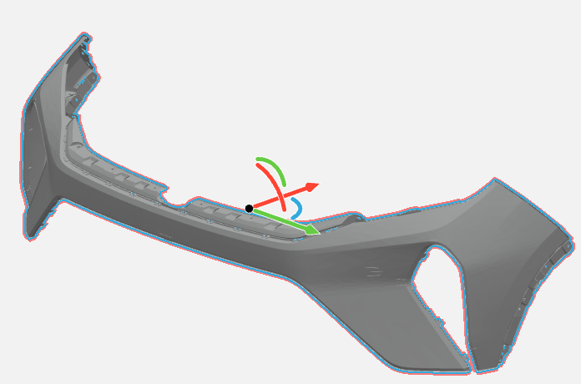 Received

2 | 546588506302 | FRONT BUMPER SKIN,LOWER | B;1 | DR1 | 1 | 4 | 4 | Received | 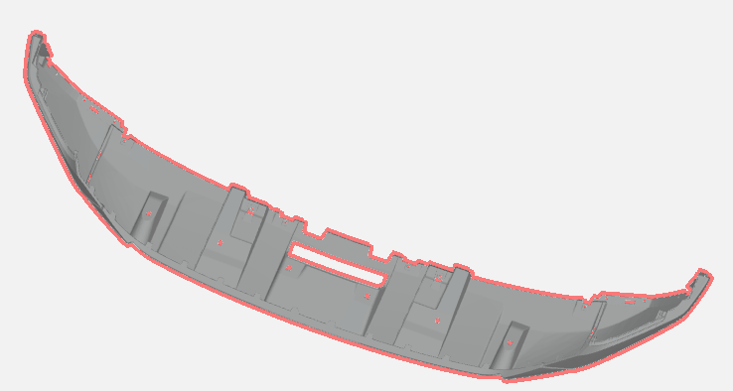

3 | 546588506303 | FRONT GRILL ASSY,BOTTOM | B;1 | DR1 | 1 | 4 | 4 | Received

4 | 546588506304 | SKID PLATE,FRONT BUMPER | A;3 | DR1 | 1 | 4 | 4 | 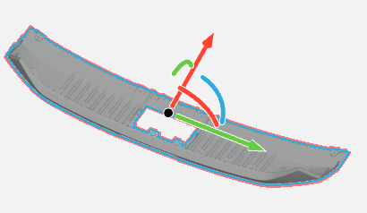 Received

5 | 546588506317 | ENERGY ABSORBER | B;1 | DR1 | 1 | 4 | 4 | Received

6 | 546588506318 | GRILL,FRONT BUMPER,TOP | B;1 | DR1 | 1 | 4 | 4 | Received | 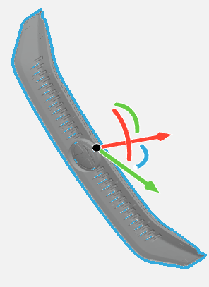

7 | 546688506301 | FRONT BUMPER SKIN,UPPER | B;1 | DR1 | 1 | 4 | 4 | Received | 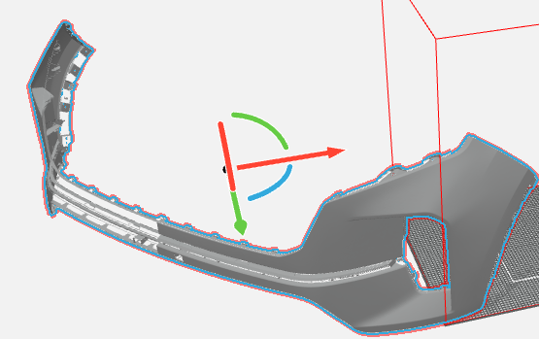

8 | 546688506302 | FRONT BUMPER SKIN,LOWER | B;1 | DR1 | 1 | 4 | 4 | Received

9 | 546688506304 | BOTTOM GRILL,FRONT BUMPER | B;1 | DR1 | 1 | 4 | 4 | Received | 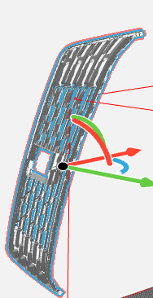

10 | 546688506305 | SKID PLATE,FRONT BUMPER | A;2 | DR1 | 1 | 4 | 4 | Received | 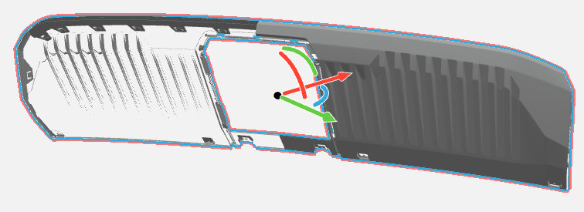

11 | 546688506320 | GRILL,FRONT BUMPER,TOP | B;1 | DR1 | 1 | 4 | 4 | Received | 